Sheet1
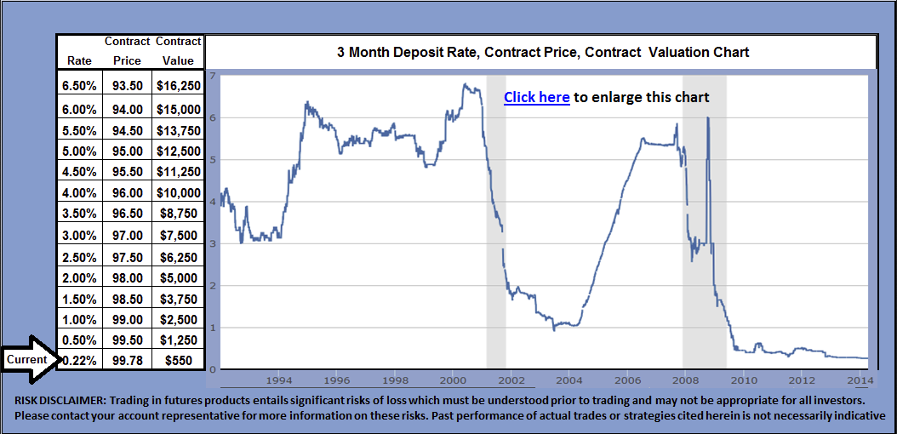
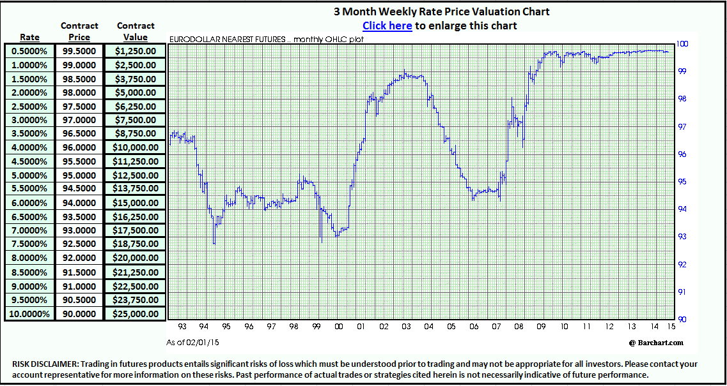
Quotes & charts all deliveries 2015-2025 | Contract price converted to rate | Initial investment | Net profit or loss | Liquating value | Deposit per contract at entry | Contract information and specifications | 3 Month 1986-2015 chart and histiorcal data | Latest From the FOMC | Lastest on FOMC rates hike from the CME | Reuters Financial commentary | 0.05
100.0000 | 0.0000 | $25,000 | ($3,719) | $21,281 | $2,500.00 |  | Last cycle 2004-2006 from 1.25% to 5.25% | Commodity Futures Trading Commission |  |  | 0.05
99.75 |  |  |  | ($1,239.58) | Contract value at entry
 |  |  |  |  | $1,000
 |  |  |  |  | The World’s largest dollar volume exchange group
 |  |  |  |  | How funds are protected |  | 100
 |  |  |  |  | CME videos |  | 99.6000
 |  |  |  |  | Chicago Mercantile Exchange rate commentary |  | 0.4000
 |  |  |  |  | Educational material |  | 0.05
 |  |  |  |  | FOMC interest rate hike countdown |  | 0.05
 | Contract Price |  |  |  | Real-Time Trading Simulation
 |  |  |  |  | Bloomberg U.S. Treasury quotes
 |  |  |  |  | Last cycle 2004-2006 from 1.25% to 5.25%
 |  |  |  |  | Commodity Futures Trading Commission
Fed Funds rate | 0.0000 | Entry price 1 | 99.6000 | Entry price 8 | 99.9500 | Option strike price | Option price in points | Preimum | Contracts per strike | Total points per strike
Contract Price | 100.0000 | Contracts | 10 | Contracts added | 0 | 99.8750 | 0.005000 | $0.00 | 0 | 0.000000
Investment | $25,000 | Entry price 2 | 99.6500 | Entry price 9 | 100.0000 | 99.7500 | 0.005000 | $62.50 | 5 | 0.025000
Net profit of loss at expiration | ($3,719) | Contracts added | 0 | Contracts added | 0 | 99.6250 | 0.060000 | $0.00 |  | 0.000000
Expiration Liquidation Value | $21,281 | Entry price 3 | 99.7000 | Average entry rate | 0.4000% | 99.5000 | 0.162500 | $2,031.25 | 5 | 0.812500
Futures P&L | ($10,500) | Contracts added | 0 | Avg. Futures price | 99.6000 | 99.3750 | 0.282500 | $0.00 |  | 0.000000
Hedge P&L at exp | $6,781 | Entry price 4 | 99.7500 | Total futures | 10 | Avg Strike | Avg. Preimum |  | Total | Total points
Point value (0.01) | $416.67 | Contracts added | 0 | Total options | 10 | 99.625000 | 0.083750 | 2093.750000 | 10 | 0.837500
Today's date | 2015-02-23 | Entry price 5 | 99.8000 | Avg. hedge strike | 99.625000 | Click here currency quotes | Current rate | Base currency gain or loss | Base currency liquidation value
Expiration Date | 2015-06-15 | Contracts added | 0 | Hedge cost per contract | 0.0838 | Australian dollar | 0.8131 | (4,573.55) | 26,172.98
Days to hedge expiration | 112 | Entry price 6 | 99.8500 | Average hedge rate | 0.3750% | Euro dollar | 1.2105 | (3,072.08) | 17,580.55
Net percentage gain or loss | -14.8750% | Contracts added | 0 | Net hedge P&L | $6,781.25 | Swiss Franc | 1.0071 | (3,692.53) | 21,131.22
Bid/Ask spread and all costs per contract | ($50.00) | Entry price 7 | 99.9000 | Estimated low | 0.0000% | British Pound | 1.5564 | (2,389.33) | 13,673.38
Total Bid/Ask spreads and costs | ($1,000.00) | Contracts added | 0 | Estimated High | 0.8000% | Japanese Yen | 0.00836 | (444,826.56) | 2,545,604.07
3 month deposit rate | C.M.E. Fed funds futures price | Total position value | Net profit or loss | 3 month deposit rate | Net account liquidating value | Net percentage profit or loss
0.0000% | 100.0000 | $0 | -$10,050 | 0.0000% | $14,950 | -40.20%
0.0400% | 99.9600 | $1,000 | -$9,050 | 0.0400% | $15,950 | -36.20%
0.0800% | 99.9200 | $2,000 | -$8,050 | 0.0800% | $16,950 | -32.20% |  | Contracts | P&L | 0.0000
0.1200% | 99.8800 | $3,000 | -$7,050 | 0.1200% | $17,950 | -28.20% |  |  |  | 498.7500
0.1600% | 99.8400 | $4,000 | -$6,050 | 0.1600% | $18,950 | -24.20% |  |  |  | 0.0000
0.2000% | 99.8000 | $5,000 | -$5,050 | 0.2000% | $19,950 | -20.20% |  |  |  | 497.5000
0.2400% | 99.7600 | $6,000 | -$4,050 | 0.2400% | $20,950 | -16.20% |  |  |  | 0.0000
0.2800% | 99.7200 | $7,000 | -$3,050 | 0.2800% | $21,950 | -12.20% |  |  |  | 996.2500
0.3200% | 99.6800 | $8,000 | -$2,050 | 0.3200% | $22,950 | -8.20%
0.3600% | 99.6400 | $9,000 | -$1,050 | 0.3600% | $23,950 | -4.20% |  |  |  |  | 10 | 10
0.4000% | 99.6000 | $10,000 | -$50 | 0.4000% | $24,950 | -0.20% |  |  |  |  | 0.02
0.4365% | 99.5635 | $10,913 | $863 | 0.4365% | $25,863 | 3.45%
0.4731% | 99.5269 | $11,827 | $1,777 | 0.4731% | $26,777 | 7.11%
0.5096% | 99.4904 | $12,740 | $2,690 | 0.5096% | $27,690 | 10.76% |  |  |  |  | Position value est. low | $0.00
0.5462% | 99.4538 | $13,654 | $3,604 | 0.5462% | $28,604 | 14.42% |  |  |  |  | Position value est. high | $33,750.00
0.5827% | 99.4173 | $14,567 | $4,517 | 0.5827% | $29,517 | 18.07% |  |  |  |  | 10
0.6192% | 99.3808 | $15,481 | $5,431 | 0.6192% | $30,431 | 21.72%
0.6558% | 99.3442 | $16,394 | $6,344 | 0.6558% | $31,344 | 25.38%
0.6923% | 99.3077 | $17,308 | $7,258 | 0.6923% | $32,258 | 29.03%
0.7288% | 99.2712 | $18,221 | $8,171 | 0.7288% | $33,171 | 32.68%
0.7654% | 99.2346 | $19,135 | $9,085 | 0.7654% | $34,085 | 36.34%
0.8019% | 99.1981 | $20,048 | $9,998 | 0.8019% | $34,998 | 39.99%
0.8385% | 99.1615 | $20,962 | $10,912 | 0.8385% | $35,912 | 43.65%
0.8750% | 99.1250 | $21,875 | $11,825 | 0.8750% | $36,825 | 47.30%
0.9115% | 99.0885 | $22,788 | $12,738 | 0.9115% | $37,738 | 50.95%
0.9481% | 99.0519 | $23,702 | $13,652 | 0.9481% | $38,652 | 54.61%
0.9846% | 99.0154 | $24,615 | $14,565 | 0.9846% | $39,565 | 58.26%
1.0212% | 98.9788 | $25,529 | $15,479 | 1.0212% | $40,479 | 61.92%
1.0577% | 98.9423 | $26,442 | $16,392 | 1.0577% | $41,392 | 65.57%
1.0942% | 98.9058 | $27,356 | $17,306 | 1.0942% | $42,306 | 69.22%
1.1308% | 98.8692 | $28,269 | $18,219 | 1.1308% | $43,219 | 72.88%
1.1673% | 98.8327 | $29,183 | $19,133 | 1.1673% | $19,232 | 76.53%
1.2038% | 98.7962 | $30,096 | $20,046 | 1.2038% | $45,046 | 80.18%
1.2404% | 98.7596 | $31,010 | $20,960 | 1.2404% | $45,960 | 83.84%
1.2769% | 98.7231 | $31,923 | $21,873 | 1.2769% | $46,873 | 87.49%
1.3500% | 98.6500 | $33,750 | $23,700 | 1.3500% | $48,700 | 94.80%
Risk Disclosure
PAST RESULTS ARE NOT NECESSARILY INDICATIVE OF FUTURE RESULTS.
EXAMPLES OF HISTORIC PRICE MOVES OR EXTREME MARKET CONDITIONS ARE NOT MEANT TO IMPLY THAT SUCH MOVES OR CONDITIONS ARE COMMON OCCURRENCES OR ARE LIKELY TO OCCUR.
HYPOTHETICAL PERFORMANCE RESULTS HAVE MANY INHERENT LIMITATIONS, SOME OF WHICH ARE DESCRIBED BELOW. NO REPRESNTATION IS BEING MADE THAT ANY ACCOUNT WILL OR IS LIKELY TO ACHIEVE PROFITS OR LOSSES SIMILAR TO THOSE SHOWN. IN FACT, THERE ARE FREQUENTLY SHARP DIFFERENCES BETWEEN HYPOTHETICAL PERFORMANCE RESULST AND THE ACTUAL RESUTLS SUBSEQUENTLY ACHIEVED BY ANY PARTICULAR TRADING PROGRAM. ONE OF THE LIMIATIONS OF HYPOTHETICAL PERFORMANCE RESULTS IS THAT THEY ARE GENERALLY PREPARED WITH THE BENEFIT OF HINDSIGHT. IN ADDITION, HYPOTHETICAL TRADING DOES NOT INVOLVE FINANCIAL RISK, AND NO HYPOTHETICAL TRADING RECORD CAN COMPLETELY ACCOUNT FOR THE IMPACT OF FINANCIAL RISK IN ACTUAL TRADING. FOR EXAMPLE, THE ABILITY TO WITHSTAND LOSSES OR TO ADHERE TO A PARTICULAR TRADING PROGRAM IN SPITE OF TRADING LOSSES ARE MATERIAL POINTS WHICH CAN ALSO ADVERSELY AFFECT ACTUAL TRADING RESULTS. THERE ARE NUMEROUS OTHER FACTORS RELATED TO THE MARKETS IN GENERAL OR TO THE IMPLEMENTATION OF ANY SPECIFIC TRADE PROGRAM WHICH CANNOT BE FULLY ACCOUNTED FOR IN THE PREPARATION OF THE HYPOTHETICAL PERFORMANCE RESULTS AND ALL OF WHICH CAN ADVERSELY AFFECT ACTUAL TRADING RESULTS.
THE INFORMATION PROVIDED IN THIS REPORT CONTAINS RESEARCH, MARKET COMMENTARY AND TRADE RECCOMMENDATIONS. YOU MAY BE SOLICITED FOR AN ACCOUNT BY ACCREDITED INVESTMENT MANAGEMENT OR ONE OF its REPRESENTATIVES OR EMPLOYEES. IT SHOULD BE KNOWN THAT THE REPRESENTATIVES OF ACCREDITIED INVESTMENT MANAGEMENT MAY TRADE FUTURES AND OPTIONS FOR THEIR OWN ACCOUNTS OR THOSE OF OTHERS. DUE TO VARIOUS FACTORS (SUCH AS MARGIN REQUIREMENTS, RISK FACTORS, TRADING OBJECTIVES, TRADING INSTRUCTIONS, TRADING STRATEGIES, AND OTHER FACTORS) SUCH TRADING MAY ESULT IN THE LIQUIDATION OR INITIATION OF FUTURES OR OPTIONS POSITIONS THAT DIFFER FROM THE OPINIONS AND RECOMMENDATIONS FOUND IN THIS REPORT.
PAST PERFORMANCE IS NOT NECESSARILY INDICATIVE OF FUTURE PERFORMANCE. THE RISK OF LOSS IN TRADING FUTURES CONTRACTS OR COMMODITY OPTIONS CAN BE SUBSTANTIAL, AND THEREFORE INVESTORS SHOULD UNDERSTAND THE RISKS INVOLVED IN TAKING LEVERAGED POSITIONS AND MUST ASSUME RESPONSIBILITY FOR THE RISKS ASSOCIATED WITH SUCH INVESTMENTS AND FOR THEIR RESULTS.
YOU SHOULD CAREFULLY CONSIDER WHETHER SUCH TRADING IS SUITABLE FOR YOU IN LIGHT OF YOUR CIRCUMSTANCES AND FINANCIAL RESOURCES. YOU SHOULD READ THE “RISK DISCLOSURE” WEBPAGE ACCESSED AT THE TOP OF THE HOMEPAGE. ACCREDITIED INVESTMENT MANAGEMENT. IS NOT AFFILIATED WITH NOR DOES IT ENDORSE ANY TRADING SYSTEM, NEWSLETTER OR OTHER SIMILAR SERVICE. ACCREDITIED INVESTMENT MANAGEMENT DOES NOT GUARANTEE OR VERIFY ANY PERFORMANCE CLAIMS MADE BY SUCH SYSTEMS OR SERVICES.THIS MATERIAL IS CONVEYED AS A SOLICITATION FOR ENTERING INTO A FUTURES AND OPTIONS TRANSACTION.

 |  |  | 996.00
 | 0.00 | Com
41.67 | 50.00 | All per RT | 0.00
(15.00) | 25000.00 | 1.00 Point Value
26.67 | 25.00 | Point value | 0.00
22.67 | 250.00 | 0.01 value | 99.60
453.39 | 0.04 | price up
833.40 | (0.04) | price down
0.54 | 0.00 | tic break even

$2,500.00 | point value for options

0.05 | scale amount to 0

